Quotation or invoice
Sr. No. | Part No./ Asm No. | Name | Block | Quotation or invoice
1 | ADT_001 | Speed alert sensor | ADAS
2 | ADT_002 | HC- SR04 Ultrasonic Module | ADAS
3 | ADT_003 | Buzzer | ADAS
4 | ADT_004 | WCS1600 100A AC DC Current Sensor Module with Overcurrent Detection | Electricals
5 | ADT_005 | 12V relay switch
6 | ADT_006 | Pedal assist sensor
7 | ADT_007 | 20 x 4 line LCD Display
8 | ADT_008 | Headlamp 12V |  | 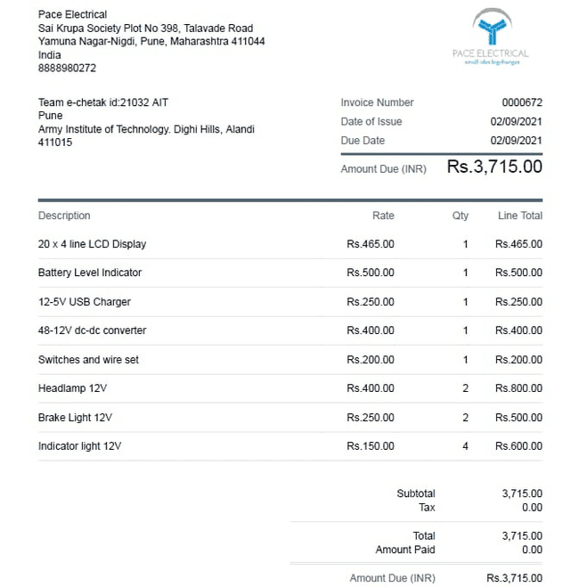
9 | ADT_009 | Brake Lights 12V
10 | ADT_010 | Indicator lights 12V
11 | ADT_011 | Battery Level Indicator | ADAS
12 | ADT_012 | 12-5V USB Charger | ADAS
13 | ADT_013 | Bluetooth speaker | Infotainment
14 | ADT_014 | 48-12V dc-dc converter | Electricals
15 | ADT_015 | Switches and wire set | Electricals
16 | ADT_016 | Arduino uno r3 | ADAS
17 | ADT_017 | REES52 LM35 Temperature Sensor | ADAS
18 | BRK_001 | Front disc(160mm) | Brakes
19 | BRK_002 | Brake caliper
20 | BRK_005 | Rear disc(140mm)
21 | BRK_001_A | Brake lever
22 |  | Master cylinder
23 | BRK_006 | Fluid cables
24 | SPW_015 | Front Rim and tyre | Wheel & Tyre
25 | SPW_001 | Rear Rim and tyre
26 | SPW_002 | Front left knuckle | Suspension
27 | SPW_006 | Front right knuckle
28 | SPW_007 | Rear left knuckle
29 | SPW_010 | Rear right knuckle
30 | SPW_013 | Front lower A arm | Suspension
31 | SPW_014 | Front upper A arm
32 | SPW_016 | Rear upper A arm
33 | SPW_019 | Rear Lower A arm
34 | SPW_017 | Ball joint | Suspension | 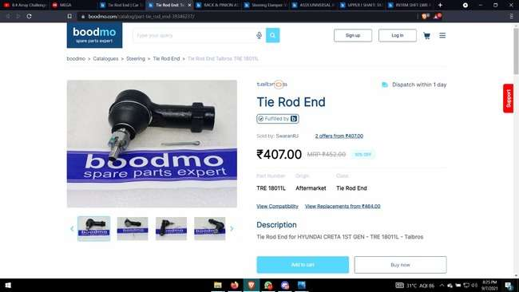
35 | SPW_018
36 | SPW_005_A | Front Damper
37 | SPW_006_A | Rear Dampers
38 | CHS_001 | Primary member(31.75*1.6mm) 24m | Frame
39 |  | Secondary member (2.54mm*2mm) 12m
40 |  | Door member (50mm*2mmm) 3m
41 | ACC_002 | Seat
42 | ACC_003 | Left Door | Frame
43 | ACC_004 | Right Door
44 | ACC_005 | Utility box | Frame
45 | ACC_006 | Wheel cover | Wheel & Tyre
46 | ACC_007 | Fire extinguisher | Safety Equipment
47 | ACC_008 | Rear view mirror | Safety Equipment
48 | ACC_009 | Smart phone holder | Infotainment
49 | ACC_010 | Side view mirrors | Safety Equipment
50 | ACC_011 | Seat belt | Safety Equipment
51 | ACC_012 | Door lock | Safety Equipment
52 | ACC_013 | Door hinge | Safety Equipment
53 | ACC_014 | Wipers | Safety Equipment
54 | ACC_015 | Wheel mud guard | Wheel & Tyre
55 | ACC_016 | Body Panel (20*4feet) | Frame
56 | ACC_017 | Acrylic sheet(8*4 trasnparent,4*3 color) | Frame
57 | STR_001 | Steering Handle | Steering
58 | STR_002 | Shaft | Steering | 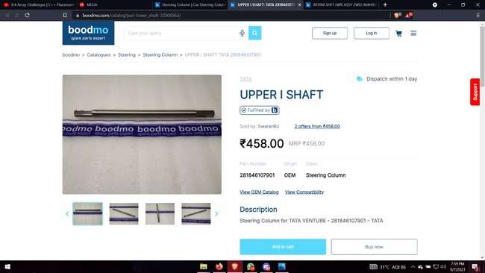
59 | STR_003 | Shaft covering
60 | STR_004 | Universal coupling joint | Steering | 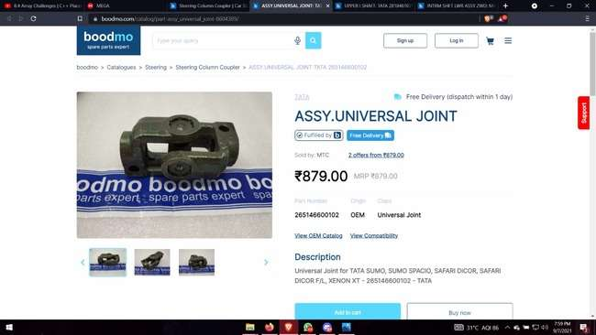
61 | STR_005
62 | STR_006 | Shaft | Steering
63 | STR_007 | Pinion |  | 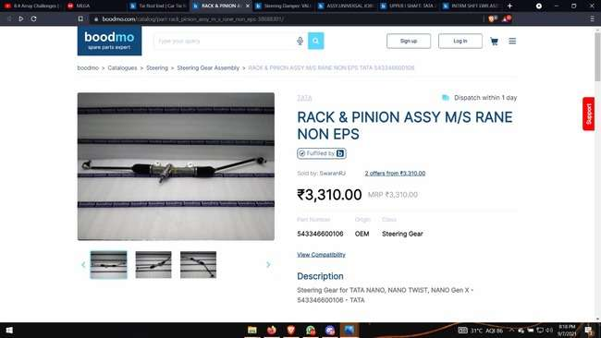
64 | STR_008 | Rack
65 | STR_009 | Rack housing | Steering
66 | STR_010
67 | STR_011 | Extension rod | Steering
68 | STR_012
69 | STR_013 | Tie rod
70 | STR_014 | Hinge | Steering
71 | STR_015
72 | DRT_001 | Crank cylinder | Drivetrain | 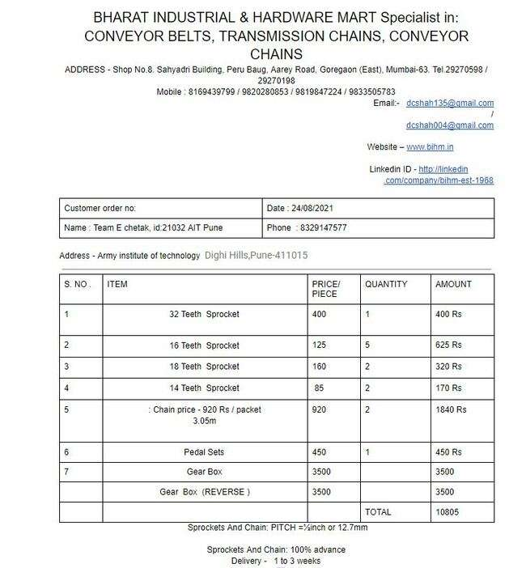
73 | DRT_002 | SKF Ball bearing 61804 | Drivetrain
74 | DRT_003 | Crank sprocket(32t) | Drivetrain
75 | DRT_004 | Pedals | Drivetrain
76 | DRT_005 | 14 teeth Sprocket | Drivetrain
77 | DRT_006 | Chain(3m-packet) | Drivetrain
78 | DRT_007 |  | Drivetrain
79 | DRT_008 | 16 teeth Sprocket | Drivetrain
80 | DRT_001_A | Reverse Gearbox | Drivetrain
81 | DRT_025 | Front transmission shaft (15mm) | Drivetrain | 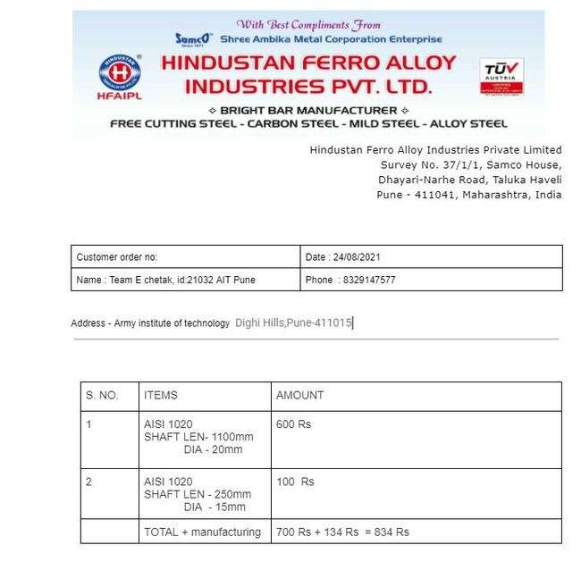
82 | DRT_026 | SKF_SY_15_FM Pillow stock bearing | Drivetrain
83 | DRT_027 | Intermediate shaft(19mm) | Drivetrain
84 | DRT_028 | SKF_SY_20_FM Pillow stock bearing | Drivetrain
85 | DRT_002_A | Motor kit | Drivetrain
86 | DRT_003_A | Gearbox | Drivetrain
87 | DRT_040 | Bearing mountigs | Drivetrain
88 | DRT_041 | Rubber block | Drivetrain
89 | DRT_042 | Battery | Drivetrain
90 | DRT_043 | Chain cover | Drivetrain
91 | DRT_044 | 18 teeth Sprocket | Drivetrain
92 | DRT_045 | Chain cover 2 | Drivetrain
93 | FS_001 | Fastners | Others | 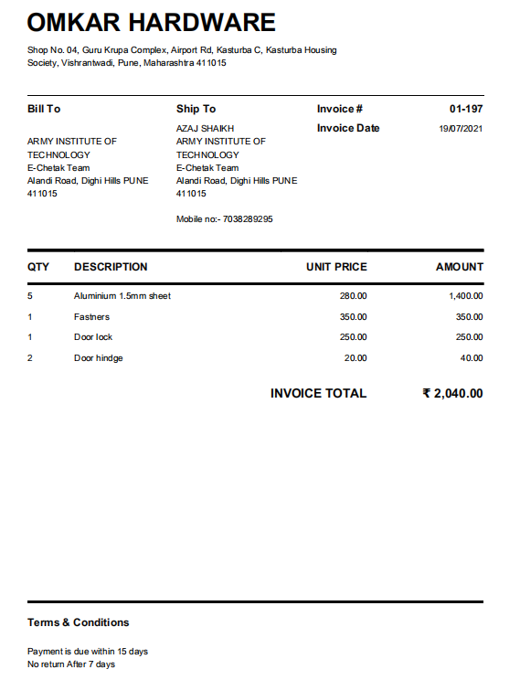
94 | Misc | Paint and primer | Others

 |  |  |  | 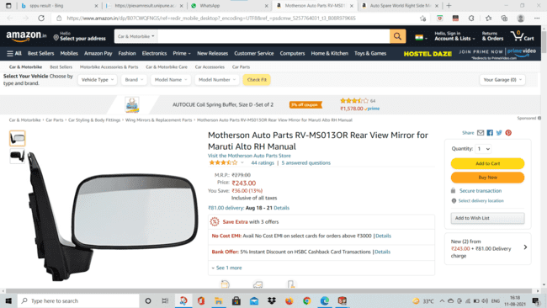
 |  |  |  | 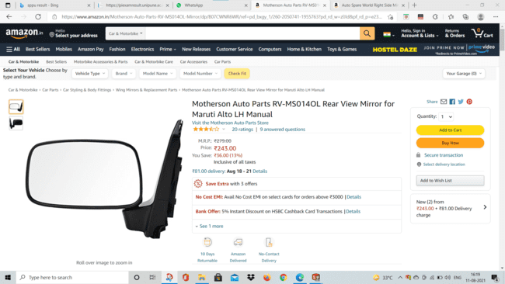
 |  |  |  | 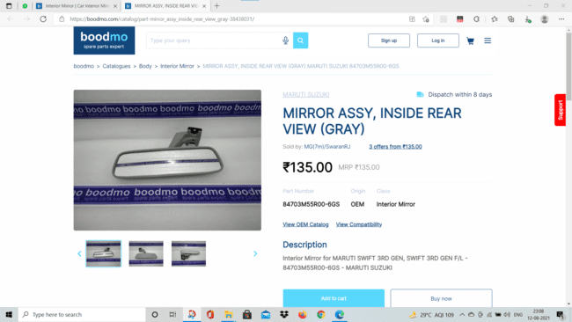
 |  |  |  | 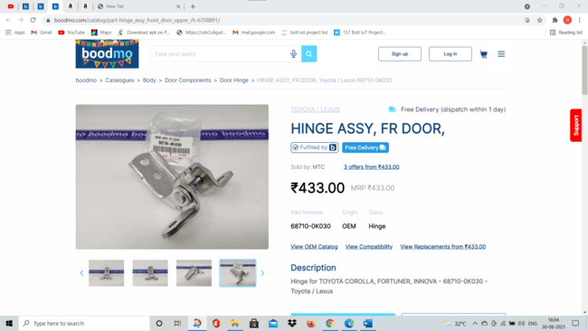
 |  |  |  | 